How to use this Pack
 

How to use this Social Enterprise Pack

Follow these 3 simple steps to find a Social Enterpise and begin and get started:

1) Go to the 'Supplier Summaries' tab | Supplier Summaries'!A1
2) Use the arrows in the 'Service Type' and 'Beneficiary' column headings to filter the information to fit your requirements.
3) Click the name of the company you are interested in to take you to their profile page where you can find more detailed information.

The opportunity to be included in this pack remains open to new social enterprises and Victorian/SE Councils. Please contact BaysideContracts@bayside.vic.gov.au for more details

A Fitting Connection
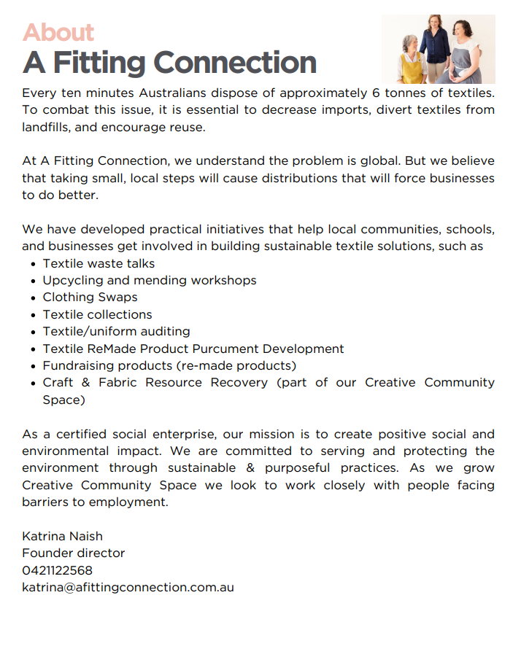
 | A Fitting Connection / 'T 'N' T Clothing Australia Pty Ltd
Service Type | Textile enviromnental education and workshops,
Beneficiary | Disadvantaged Communities
Full Company Name [note: if not a company please insert full name of individual here] | T 'N' T Clothing Australia Pty Ltd
Trading Name | A Fitting Connection & Creative Community Space
Registered Office | 18 Nandaly Crt, Greensborough 3088
Business Address | 61 Civic Drive Greensborough 3088
Mailing Address | 18 Nandaly Crt, Greensborough 3088
A.B.N. | 52 087 911 751
A.C.N. | 087 911 751
Contact Person | Katrina Naish
Title | Owner Director
Office Telephone
Mobile Telephone | 0421 122 568
Email Address | katrina@afittingconnection.com.au
Which Council do you wish to register with
Service All Councils | Yes
link | https://afittingconnection.com.au/ www.creativecommunityspace.com.au
What goods or services are provided by your organisation | * Education around textile waste, purposful ownership and end of life options * Upcycing and mending workshop * Audits on textile waste * Product stewardship * Textile Collections
Please provide a quick 200 word overview of your organisation and it social procurement objective. | At A Fitting Connection, we address the significant issue of textile waste through community engagement and education. Since 2022, we have facilitated textile waste and upcycling workshops across Melbourne and country Victoria. Our mission is to empower individuals with the knowledge and skills to refuse, reuse, repair, remake, and recycle textiles, fostering a more sustainable and purposeful approach to consumption. We prioritize upcycling and repurposing damaged or unwanted textiles. Through our workshops, participants learn to transform these materials into new, functional products, diverting them from landfills. Our programs encourage creativity and innovation in dealing with textile waste. With Australians sending an estimated 23kg of textiles per person annually to landfill, our work is crucial. Textiles are integral to daily life, and their disposal has significant environmental impacts. By engaging with primary and high school students, as well as the broader community, we extend learning beyond the classroom, tackling real-world problems with tangible solutions. Our Purpose: Empower people to keep textile products in circulation longer and make more purposeful purchasing and disposal choices. Our Vision: Provide engaging opportunities for our community to learn and experience reducing textile waste through purposeful and sustainable actions. Our Mission: Engage, educate, and empower our community to reduce, reuse, repair, and recycle.

Ability Works
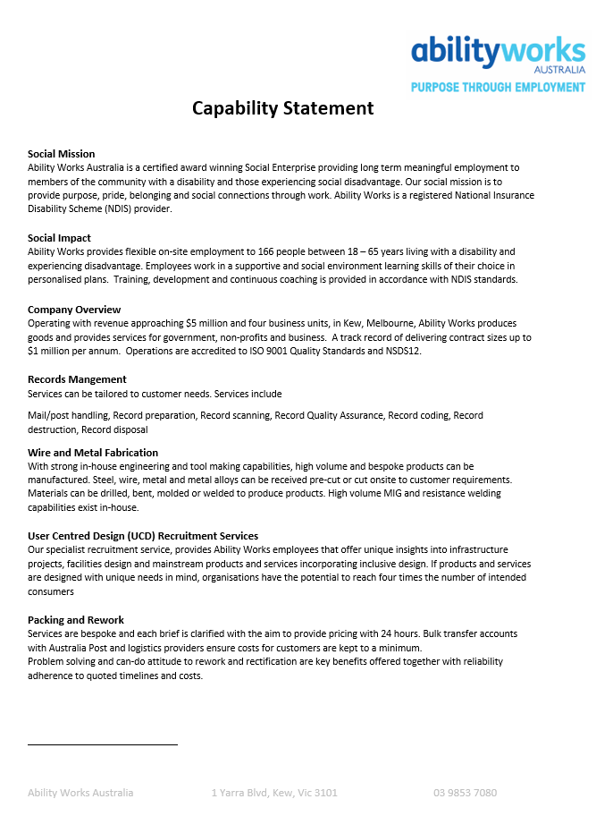
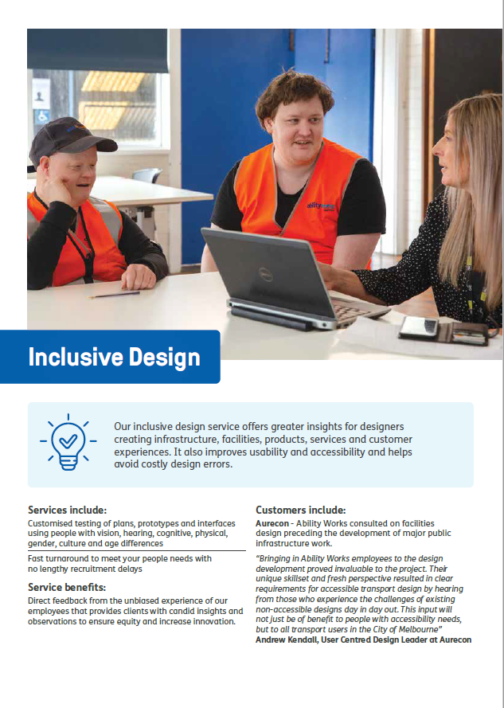
 | Ability Works Australia Ltd
Service Type
Beneficiary | People with disabilities
Full Company Name [note: if not a company please insert full name of individual here] | Ability Works Australia Ltd
Trading Name | Ability Works
Registered Office | 1 Yarra Boulevard, Kew 3101
Business Address | 1 Yarra Boulevard, Kew 3101
Mailing Address | PO Box 665, Kew 3101
A.B.N. | 87 075 933 612
A.C.N. | 075 933 612
Contact Person | Wendy Bezzina
Title | General Manager Commercial
Office Telephone | 03 9852 7897
Mobile Telephone | 0402 802 802
Email Address | wbezzina@abilityworks.com.au
Service All Councils | Yes
link | www.abilityworks.com.au
What goods or services are provided by your organisation | 1. Wire and Metal Fabrication 2. Records scanning & management 3. Packing & Rework (pick, pack, despatch) 4. Inclusive Design Consulting
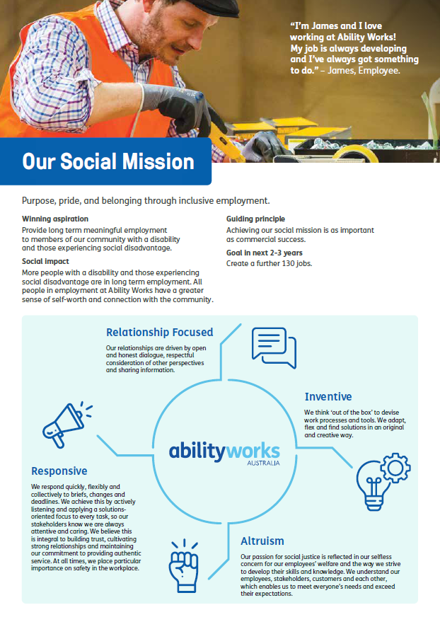
Please provide a quick 200 word overview of your organisation and it social procurement objective. | Ability Works (AW's) vision is to provide long term employment to members of the community with a disability and people from socially disadvantaged backgrounds. Our social mission is to provide "Purpose, pride and belonging through inclusive employment". Since 1963, AW has been providing tailored support and employment, across a portfolio of work lines/products, that include Wire & Metal Fabrication (welding, temporary fence repair and a range of bespoke products), Packing and Assembly, Document Scanning and Management, Mailroom services, Pick, Pack & Despatch and Inclusive Design consulting. AW support includes the configuration of machinery, process aids and the provision of specialised training, to address the needs and safety of employees. AW employs 160 people, has a turnover just under $5 million, is a certified social trader and certifed NDIS service provider. Our social procurement objective is to provide an additional 50-100 jobs in the next 4 years to migrant communities hardest to reach.

Amarapave
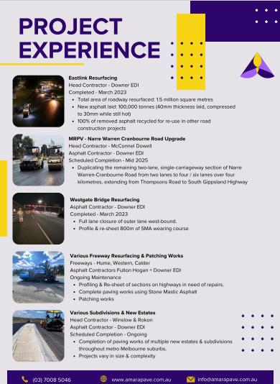

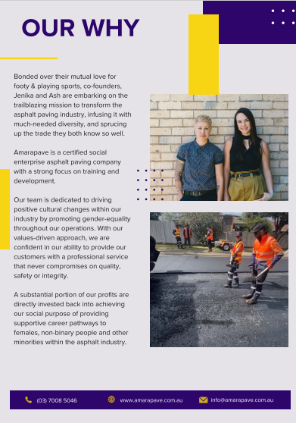
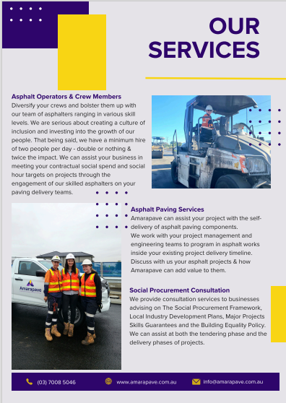
 | Amarapave
Service Type | Asphalt Paving Services
Beneficiary | Disadvantaged Communities
Full Company Name [note: if not a company please insert full name of individual here] | Amarapave Pty Ltd
Trading Name | Amarapave
Registered Office | 47 Belmar Ave, Altona, VIC 3018
Business Address | 47 Belmar Ave, Altona, VIC 3018
Mailing Address | 47 Belmar Ave, Altona, VIC 3018
A.B.N. | 85 671 630 283
A.C.N. | 671 630 283
Contact Person | Jenika Stubelj
Title | Managing Director
Office Telephone | (03) 7008 5046
Mobile Telephone | 0459 123 066
Email Address | jenika@amarapave.com.au
Service All Councils | All
link | https://www.amarapave.com.au/
What goods or services are provided by your organisation | Asphalt Paving Services - Patching, New Builds, Repairs & Resurfacing.
Please provide a quick 200 word overview of your organisation and it social procurement objective. | Amarapave is a certified social enterprise asphalt paving company with a strong focus on providing tailored career paths for females, non-binary people and other minorities who are passionate about working in the asphalt trade. We have worked in partnership with other asphalt companies to deliver road upgrades in a variety of councils throughout Melbourne. Our team are dedicated to driving positive cultural changes within our industry by promoting gender-equality throughout our operations. With our values-driven approach, we are confident in our ability to provide our customers with a professional service that never compromises on quality, safety or integrity. A substantial portion of our profits are directly invested back into achieving our social purpose of providing supportive career pathways to females, non-binary people and other minorities within our industry. We also assist businesses in meeting their contractual social spend, BEP and MPSG hour targets on projects through the delivery of asphalting services within their scope of works. |  | 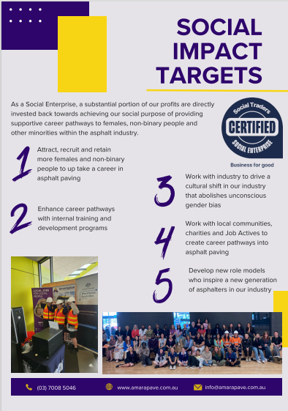

Australian Spatia Analytics
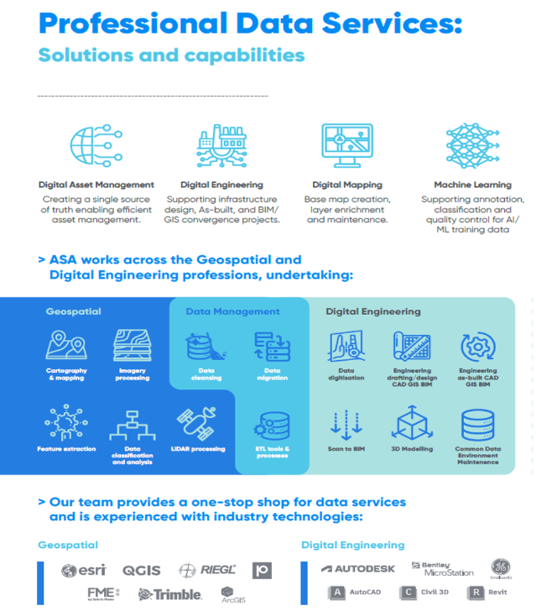
 | Australian Spatia Analytics
Service Type | Various
Beneficiary | Indigenous
Full Company Name [note: if not a company please insert full name of individual here] | Australian Spatia Analytics P/L
Trading Name | Australian Spatia Analytics
Registered Office | Level 1, 826 Ann St, Fortitude Valley, QLD 4006
Business Address | 167-169 Cremorne St, Cremorne, VIC 3121
Mailing Address | PO Box 590, Fortitude Valley Qld 4006
A.B.N. | 36 639 511 970
A.C.N. | 639 511 970
Contact Person | Craig Woolf
Title | Business Development Manager
Office Telephone | 1300 524 651
Mobile Telephone | 61418818938
Email Address | sales@asanalytics.com.au
Service All Councils | Yes
link | www.asanalytics.com.au
What goods or services are provided by your organisation | We provide data services specialising in Geographic Information Systems (GIS), Survey, Computer Aided Design (CAD), Building Information Modelling (BIM) and Machine Learning technologies.
Please provide a quick 200 word overview of your organisation and it social procurement objective. | Australian Spatial Analytics (ASA) is one of Australia’s largest and fastest-growing work-integrated social enterprises. We create an inclusive workplace for neurodivergent young adults to undertake professional spatial data services. Since 2020, ASA has provided careers in the Geospatial and Engineering professions for over 150 young neurodivergent adults who may otherwise be unemployed. Our team (of which 80% are neurodivergent) use their unique cognitive talents, such as attention to detail, pattern recognition and memory retention, to deliver image analysis, data cleansing and processing for multiple industries, including telecommunications, energy, conservation, travel and resources. ASA helps solve Australia’s skills shortages and data sovereignty concerns by accessing an untapped pool of talented and motivated people who perform essential work that otherwise occurs offshore. We consistently deliver professional, award-winning, high-quality data services for real-world projects, specialising in Geographic Information Systems (GIS), Survey, Computer Aided Design (CAD), Building Information Modelling (BIM) and Machine Learning technologies. We do this while creating enduring social impact for young neurodivergent people who face a 34% unemployment rate by providing stable and meaningful employment—reducing or eliminating their dependence on government funding. | 

Brite Services
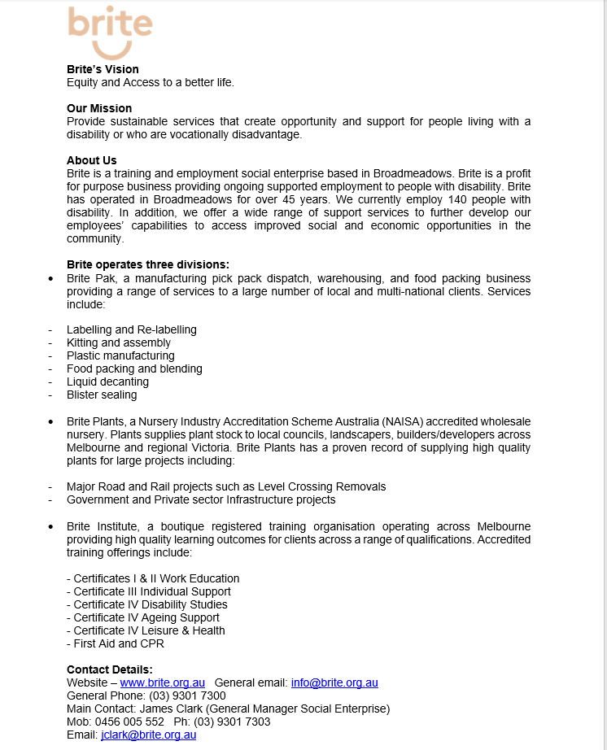
 | Brite Services
Service Type | Training and Employment
Beneficiary | People with disabilities
Full Company Name [note: if not a company please insert full name of individual here] | Brite Services
Trading Name | Brite Services
Registered Office | 1-7 Belfast Street Broadmeadows VIC 3047
Business Address | 1-15 Belfast Street Broadmeadows VIC 3047
Mailing Address | 1-7 Belfast Street Broadmeadows VIC 3047
A.B.N. | 47 114 989 650
A.C.N. | 114 989 650
Contact Person | James Clark
Title | General Manager Social Enterprise
Office Telephone | 03 93017303
Mobile Telephone | 0456 005 552
Email Address | jclark@brite.org.au
Service All Councils | Yes
link | www.brite.org.au/about-us/
What goods or services are provided by your organisation | We provide the following goods and services: -Advanced Trees and plants in various sized containers for landscape - purposes. -Contract packing,assembling, kitting, labelling services. - Food processing/ co-packing services. -Registered Training Organisation - Accredited adult learning and path ways programs for people with a disability
Please provide a quick 200 word overview of your organisation and it social procurement objective. | Brite’s Vision Equity and Access to a better life. Our Mission Provide sustainable services that create opportunity and support for people living with a disability or who are vocationally disadvantage. About Us Brite is a training and employment social enterprise based in Broadmeadows. Brite is a profit for purpose business providing ongoing supported employment to people with disability. Brite has operated in Broadmeadows for over 45 years. We currently employ 200 people with disability. In addition, we offer a wide range of support services to further develop our employees’ capabilities to access improved social and economic opportunities in the community. Brite operates three divisions: • Brite Pak, a manufacturing pick pack dispatch, warehousing, and food packing business providing a range of services to a large number of local and multi-national clients. • Brite Plants, a Nursery Industry Accreditation Scheme Australia (NAISA) accredited wholesale nursery. Plants supplies plant stock to local councils, landscapers, builders/developers across Melbourne and regional Victoria. • Brite Institute, a boutique registered training organisation operating across Melbourne providing high quality learning outcomes for clients across a range of qualifications.

Brunswick Industries Ass
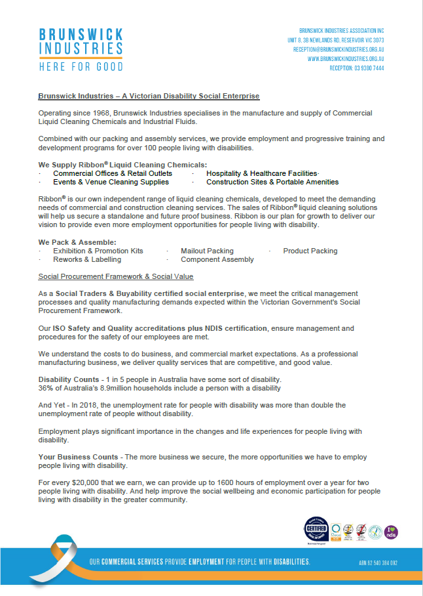
 | Brunswick Industries Association Incorporated
Service Type | Cleaning Services
Beneficiary | People with disabilities
Full Company Name [note: if not a company please insert full name of individual here] | Brunswick Industries Association Incorporated
Trading Name | Brunswick Industries
Registered Office | Unit 8, 3B Newlands Road, Reservoir VIC 3073
Business Address | Unit 8, 3B Newlands Road, Reservoir VIC 3073
Mailing Address | Unit 8, 3B Newlands Road, Reservoir VIC 3073
A.B.N. | 62 540 384 092
A.C.N. | 0
Contact Person | Charles Teale
Title | Chief Executive Officer
Office Telephone | 03 9380 7499
Mobile Telephone | 03 9380 7499
Email Address | charles.teale@brunswickindustries.org.au
Service All Councils | Yes
link | brunswickindustries.org.au
What goods or services are provided by your organisation | RIBBON BRAND of LIQUID CLEANING CHEMICAL SOLUTIONS • Commercial Offices & Venues • Toilet Cleaning & Bathrooms • Worksite & Portable Restrooms • Aged Care & Healthcare Facilities • Commercial Kitchens & Hospitality • Sanitising & Deodorising of Vehicles & Transport • Schools & Kindergartens ASSEMBLY & PACKING SERVICES • Exhibition & Promotion Kits • Shrink Wrap & Co-Packing • Component Assembly • Product Packing • Reworks & Labelling • Component Assembly
Please provide a quick 200 word overview of your organisation and it social procurement objective. | Operating since 1968, Brunswick Industries is a local Victorian Social Enterprise employing over 90 people living with disabilities. We specialise in the manufacture and supply of Liquid Cleaning Chemicals, including our select range of RIBBON branded products. Our primary objectives are to provide meaningful employment opportunities that give purpose, and contribute to the personal development, inclusion, and financial security for people living with disability. BIA’s fully inclusive Employment Supports Program has been developed to create and develop skills in commercial manufacturing for people living with disability. On the job training and personal development are provided in areas such as manufacturing, warehousing, administration, cleaning, workplace safety, teamwork and leadership, plus the opportunity to undertake Certificate Courses. Our specialist Liquid Filling capabilities, combined with our Assembly & Packing services, can be catered to meet the individual needs, aspirations, and the abilities, of our supported employees. Our Social Procurement Objectives are driven by securing and maintaining sustainable business and growth, focused on our RIBBON brand of Liquid Cleaning Chemical Solutions. The more business we secure, the more opportunities we have to provide meaningful employment and development, for people with living disability.

Connecting2Australia

 | Connecting2Australia
Service Type | Grounds Care, Fleet Washing, Recycling Services, Timber Furniture Making
Beneficiary | People with disabilities
Full Company Name [note: if not a company please insert full name of individual here] | Connecting2Australia
Trading Name | Connecting2Australia
Registered Office | 362-364 Nepean Hwy Frankston
Business Address | 362-364 Nepean Hwy Frankston
Mailing Address | PO BOX 773 Frankston 3199
A.B.N. | 67977349510
A.C.N. | 155111890
Contact Person | Terry Pieper
Title | Sales & Marketing Manager
Office Telephone | 1300 111 212
Mobile Telephone | 0418 366 082
Email Address | tpieper@c2a.org.au
Service All Councils | Connecting2Australia
link | YES
What goods or services are provided by your organisation | https://www.connecting2australia.org/
Please provide a quick 200 word overview of your organisation and it social procurement objective. | Grounds Keeping, Garden Maintenance, Fleet Vehicle Washing, Window Washing, Timber Furniture Making, Recycling Services, Screen Printing Services, Assembly & Packaging
 | Established in 1953, C2A is a leading Victorian Social Enterprise providing purpose and employment for people living with disability. Operating across 11 sites in regional Victoria and metropolitan Melbourne, C2A’s commercially operated Business Connections deliver professional results, on brief, on budget and on time. We are Social Traders Accredited. Our Disability Support Workers are on site helping to provide a diverse range of skills training and personal development for our crews. Flexibility and agility help make our Business Connections a partner of choice. It's a simple equation. The more business that C2A can secure, the more employment opportunities we can provide. Employment that can help bring financial independence, choice and inclusion for people with disability. Make a business connection with us now and help provide employment for people with disability.

Deadly Sportsplus Aboriginal Co
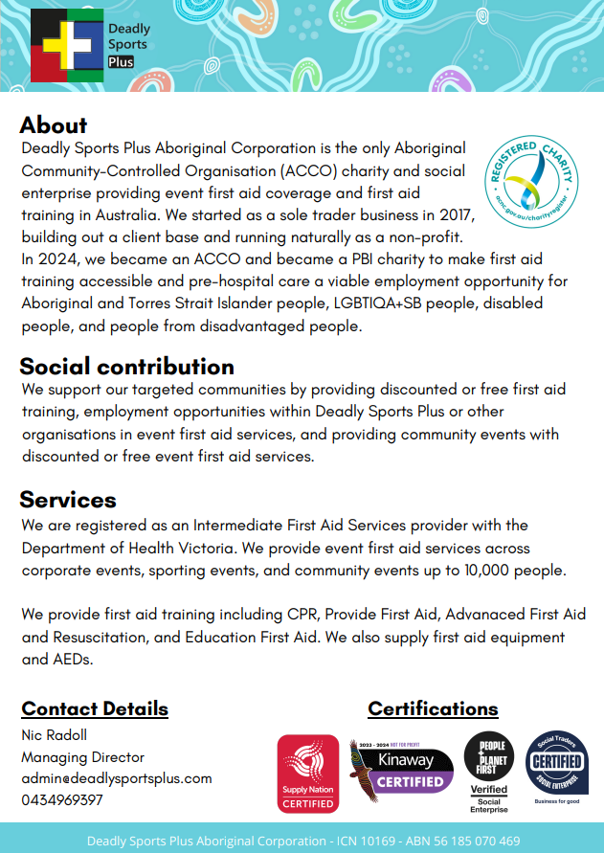
 | Deadly Sports Plus Aboriginal Corporation
Service Type | First Aid Training, Services and Equiptment
Beneficiary | Indigenous
Full Company Name [note: if not a company please insert full name of individual here] | Deadly Sports Plus Aboriginal Corporation
Trading Name | Deadly Sports Plus
Registered Office | 3 Lexton Road, Box Hill North VIC 3129
Business Address | 3 Lexton Road, Box Hill North VIC 3129
Mailing Address | PO Box 13252, Law Courts VIC 8010
A.B.N. | 56 185 070 469
A.C.N. | ICN 10169
Contact Person | Nic Radoll
Title | Managing Director
Office Telephone | 0434 969 397
Mobile Telephone | 0434 969 397
Email Address | nic@deadlysportsplus.com
Service All Councils | Yes
link | www.deadlysportsplus.com
What goods or services are provided by your organisation | Event First Aid Services, First Aid Training, First Aid Equipment reseller
Please provide a quick 200 word overview of your organisation and it social procurement objective. | We are the only non-profit Aboriginal Community-Controlled Organisation dedicated to delivering high-quality Event First Aid Services and comprehensive First Aid Training programs Our objectives are to: • Advance education by providing training in pre-hospital care, including first aid, to Aboriginal and Torres Strait Islander people, LGBTIQA+SB people, disabled people/people living with disability, and people from disadvantaged backgrounds; • Support employment opportunities in the pre-hospital industry for the targeted diversity groups; • Assist and support organisations and businesses in building their capability in pre-hospital and outpatient services for the targeted diversity groups; • Act as a resource hub for the community and stakeholders in the area of health education as described by the PBI requirements. We do this by providing: • Employment in Deadly Sports Plus Aboriginal Corporation o Providing and supporting access to education courses to enter the industry o Providing employment opportunities with DS+ o Supporting access to other first aid and pre-hospital care organisations • Community First Aid Training o Providing discounted or free accredited first aid training for the targeted diversity groups; • Community Event First Aid Services o Providing discounted fees for event first aid support to targeted diversity groups o Supplying extra staff at no cost for event first aid support to the targeted diversity groups

Enable Social Enterprises LTD
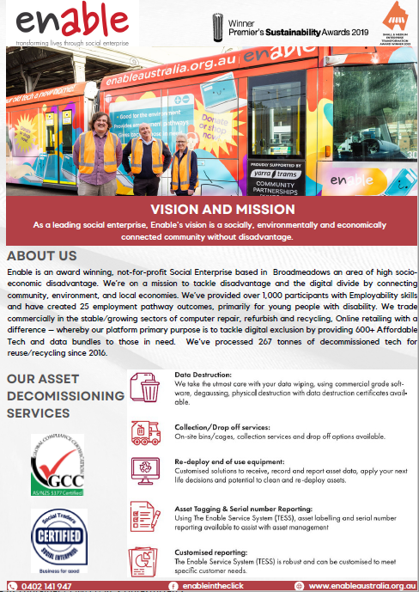
 | Enable Social Enterprises Limited
Service Type | IT Equipment and Services
Beneficiary | People with disabilities
Full Company Name [note: if not a company please insert full name of individual here] | Enable Social Enterprises Limited
Trading Name | Enable IT Recycling, In the Click Social Enterprise
Registered Office | 60 Belfast Street, Broadmeadows, VIC, 3047
Business Address | 60 Belfast Street, Broadmeadows, VIC, 3047
Mailing Address | 60 Belfast Street, Broadmeadows, VIC, 3047
A.B.N. | 52 165 413 776
A.C.N. | 165 413 776
Contact Person | Julie McKay
Title | Managing Directo
Office Telephone | 0402141947
Mobile Telephone | 0402141947
Email Address | julie.mckay@enableaustralia.org.au
Service All Councils | Yes
link | www.enableaustralia.org.au Affordable Tech Platform: www.intheclick.org.au
What goods or services are provided by your organisation | (i) Commercial Computer/business equipment asset decomissiong including Collection services, commercial grade data sanitistation and certificates, accredted E-waste reycling (Standard 5377) and certificates, Customer asset and impact reporting and case studies. Social, ethical and Sustainable Procurement specialists. (ii) Fulfilment and storage services. Commercial (outsourced) pick pack and dispatch services and short-term storage solutions. (iii) Online retailer - Refurbished affordable technology for business and consumers, with 15% Social Impact discounts for disadvanted community or fellow not for profit/community services www.intheclick.org.au Enable's Impact reporting includes mapping our impact against the United Nations Sustainable Development (UNSD) goals.
Please provide a quick 200 word overview of your organisation and it social procurement objective. | Enable is a NFP Social Enterprise, Broadmeadows, Vic – located here as it’s an area of high socio-economic disadvantage. We’re on a mission to tackle disadvantage and the digital divide by connecting community, environment, and local economies. We trade commercially in the stable/growing sectors of computer repair, refurbish and recycling, Online retailing. As at Dec 2021, our social procurement focus has seen Enable work with over 280 Customers, community partners engaging in the following: (i) Social, ethical and sustainable procurement through Enable IT Recycling services whereby 100% of profits are retained/reinvested in the not-for-profit mission supporting disadvantaged with work and learning opportunities. (ii) Through 65+ Community partners, distributed of 500+ affordable devices to tackle digital exclusion head-on (iii) Social procurement partner with local Councils as buyers of affordable technology through either grant funding rounds or to support local digital inclusion initiatives. (iv) We’ve provided over 1,000 participants with Employability skills and created 25 employment pathway outcomes, primarily for young people with disability. We've processed 267 tonnes of decommissioned tech for reuse/recycling since 2016Trusted Australian Charity, Certified Social Enterprise (Social Traders) and Award-winning Social Enterprise

Ethan Indigenous Pty Ltd
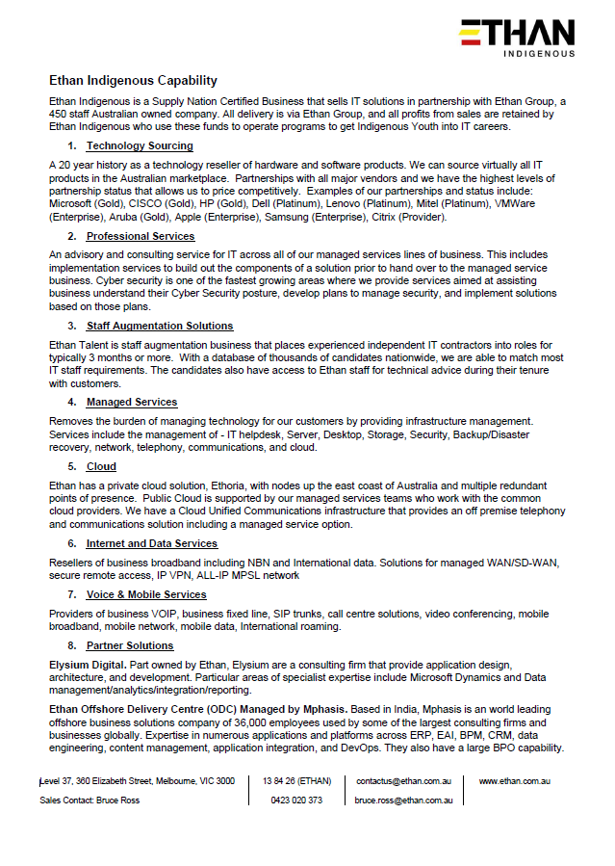
 | Ethan Indigenous Pty Ltd
Service Type | IT Services, Hardware and IT Professional Services
Beneficiary | Indigenous
Full Company Name [note: if not a company please insert full name of individual here] | Ethan Indigenous Pty Ltd
Trading Name | Ethan Indigenous
Registered Office | Level 5, 13-15 Lyon Park Road, NORTH RYDE NSW 2113
Business Address | Level 37, 360 Elizabeth Street, Melbourne 3000
Mailing Address | Level 37, 360 Elizabeth Street, Melbourne 3000
A.B.N. | 43623264120
A.C.N. | 623 264 120
Contact Person | Bruce Ross
Title | Account Executive
Office Telephone
Mobile Telephone | 0423 020 373
Email Address | bruce.ross@ethan.com.au
Service All Councils | Yes
link | Refer to attached EthanIndigenousPrograms.pdf
What goods or services are provided by your organisation | Our IT offerings delivered via Ethan Global, fall into 3 categories: 1. Hardware and software procurement. We can source IT hardware and software from virtually any vendor. We have the highest level of partnerships with many vendors, providing us with competitive pricing. These include: Microsoft (Gold), CISCO (Gold), HP/Dell/Lenovo (Platinum), Apple, VMWare, Citrix, Mitel. 2. Professional Services. Consulting, implementation, staff augmentation 3. Managed Services. IT Helpdesk & Support, Infrastructure, Desktop, Network, Telecommunications, Unified Communications, Public Cloud, Private Cloud
Please provide a quick 200 word overview of your organisation and it social procurement objective. | Ethan Indigenous is a Supply Nation Certified business majority owned by the David Liddiard Group. As listed above, Ethan Indigenous provides a wide range of IT products and services using our delivery partner Ethan Global. This arrangement allows us to provide sophisticated IT products and solutions to customers, and we retain all profits to run our social programs for Indigenous Youth. This business model also allows Indigenous businesses to scale quickly by leveraging the capability of an existing mature established business. This enables the objective of providing economic benefits to Indigenous peoples within a generation as described in the Victorian Aboriginal and Local Government Strategy 2021-2026. Ethan Indigenous uses the profits from IT sales to fund the following programs with the aim of assisting Indigenous Youth to enter the IT Industry: Horizon 1 – Laptops for Kids. This aims to repurpose out of date corporate devices and provide them to Indigenous communities. Horizon 2 – Indigenous Technology Hubs. This supports the establishment of Indigenous Technology Hubs in Australia in conjunction commercial and government organisations. These Hubs aim to create entry level IT job opportunities for Indigenous trainees. Horizon 3 – Indigenous Cadetships. This is a formal Indigenous-led Cadetship program. It places Indigenous Youth in IT Departments to gain real world experience. The 2 year-program combines Business, IT Certification and Personal Development designed encourage, support, and prepare Indigenous students for the IT world.

IPA Personnel Services Pty Ltd
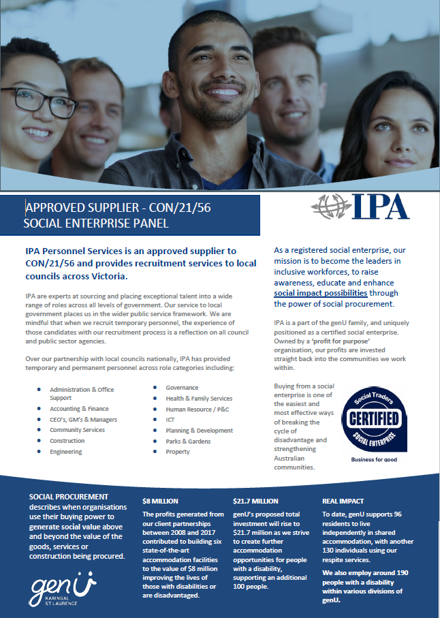
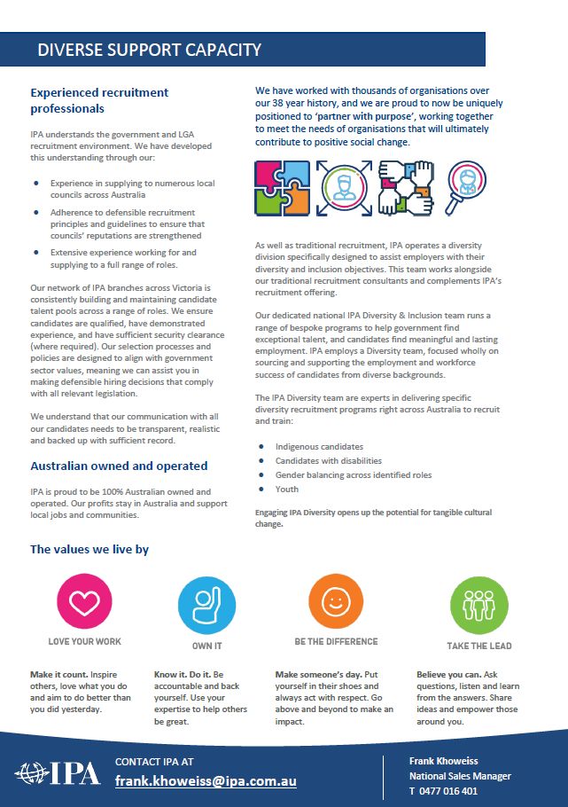
 | IPA Personnel Services Pty Ltd
Service Type | Recruitment Agency
Beneficiary | A charitable or not for profit organisation
Full Company Name [note: if not a company please insert full name of individual here] | IPA Personnel Services Pty Ltd
Trading Name | IPA Personnel Services Pty Ltd
Registered Office | L5, 350 Collins St, Melbourne Vic 3000
Business Address | L5, 350 Collins St, Melbourne Vic 3000
Mailing Address | GPO Box 4021, Melbourne Voc 3001
A.B.N. | 12137834738
A.C.N. | 137834738
Contact Person | Frank Khoweiss/James Muskett
Title | National Sales Manager/Head of Sales
Office Telephone | (03) 9242 2248
Mobile Telephone | 0477 016401/0477019699
Email Address | frank.khoweiss@ipa.com.au
Service All Councils | Yes
link | www.ipa.com.au
What goods or services are provided by your organisation | IPA is a generalist recruitment agency with national presence and a unique structure. We have extensive local Government experience, and capability, able to supply blue and white collar staffing abd recruitment solutions, across permanent, contract, temporary and labour hire services. We also have a senior appointments division. IPA provides both a traditional recruitment solutions, where we source, screen and manage the best candidate for the role vacancy (from the mainstream candidate cohort). Secondly, IPA employs a Diversity team, focused wholly on sourcing and supporting the employment and workforce success of candidates from diverse backgrounds. The IPA Diversity team are experts delivering specific diversity recruitment programs right across Australia to recruit and train Indigenous candidates, candidates with disabilities, youth, and female candidates
Please provide a quick 200 word overview of your organisation and it social procurement objective. | We are fully owned by not-for-profit organisation genU and are a certified social enterprise. We provide this panel, the ability to buy socially, contributing to building a more inclusive community. IPA is certified via Social Traders; through our traditional and diversity specific staffing solutions and recruitment service offerings we support business goals and objectives including those across social procurement. Every day we make local lives happier and healthier. For example, since 2008, in partnership with people with a disability, families, community, state and local governments, and bequests and donations, genU has completed 11 housing projects, and spent over $8 million securing 52 accommodation places for people with a disability. We are 100% not for profit

Jumpleads NFP Ltd
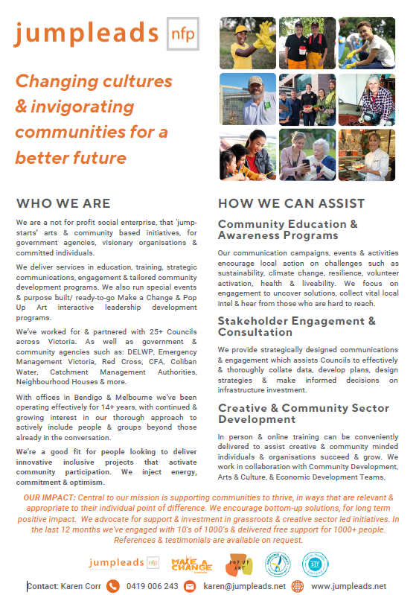
 | Jumpleads NFP Limited
Service Type | Art and Community Based Programs
Beneficiary | Other disadvantaged people
Full Company Name [note: if not a company please insert full name of individual here] | Jumpleads NFP Limited
Trading Name | Jumpleads NFP Limited
Registered Office | 2c Percy Street, Prahran, 3181
Business Address | 2c Percy Street, Prahran, 3181
Mailing Address | 2c Percy Street, Prahran, 3181
A.B.N. | 48 133 878 412
A.C.N. | 0
Contact Person | Karen Corr
Title | Executive Director
Office Telephone | 03 9510 6588
Mobile Telephone | 0419 006 243
Email Address | karen@jumpleads.net
Service All Councils | Yes
link | https://jumpleads.net/
What goods or services are provided by your organisation | We “jump start” arts and community based initiatives for government agencies, visionary organisations and committed individuals We do this through: • Education and training • Strategic communications and engagement • Tailored community development programs • Special events • Pop Up Art & Make A Change Programs We have three divisions: • Make a Change – Delivering programs to address broad community challenges such as health and well-being, environment, social disadvantage and emergency response, through community engagement & capacity building initiatives • Pop Up Art – Initiatives that strengthen and support the creative sector, including theough professional development programs for creative industries • JL Services – Tailored programs and services to enable organisations to achieve their changemaking ‘agenda’, including fee for service community consultation & stakeholder engagement We can offer services in the following ways: - Partnerships to assist in the delivery of programs to support community and creatives. Suited to organisations with aligned visions who are looking for innovative ways to reach, engage with or built trust with particular groups often who are hard to reach - Fee for service work in areas of community engagement, stakeholder consultation & facilitation including for infrastructure projects, strategies & plans, community development projects We’ve been operating for 10+ years, have offices in Bendigo and Melbourne and are available to deliver services across all of Victoria [and further], including the Council areas listed.
Please provide a quick 200 word overview of your organisation and it social procurement objective. | Jumpleads is a service vehicle to change cultures and invigorate communities to enable a better future. The focus of our work is to support creatives and community groups. Both contribute greatly to the vibrancy, liveability, health and wellbeing of their communities, yet often under acknowledged, under resourced and overlooked. Through partnerships with government agencies, local government, philanthropists and corporates, we have been able to provide free programs, professional training and skills building for 1000’s of people in both groups. People who would otherwise not get access to this kind of training and support Our programs provide encouragement/ education to make a change; provide motivation, skills/tools; generate many new ideas and out of the box thinking; increase participation with a focus on inclusion and diversity; create new collaborations Our partners include government agencies, visionary organisations and committed individuals who want to achieve relevant and practical responses to community challenges. We’ve worked and partnered with around 25+ Councils, DELWP, Emergency Mgt Victoria, Red Cross, CFA, Coliban Water, Catchment Management Authorities, Neighbourhood Houses, and more. We are a not-for-profit with DGR Tax Deductible status, ACNC registered and Social Traders certified.

JustWorks
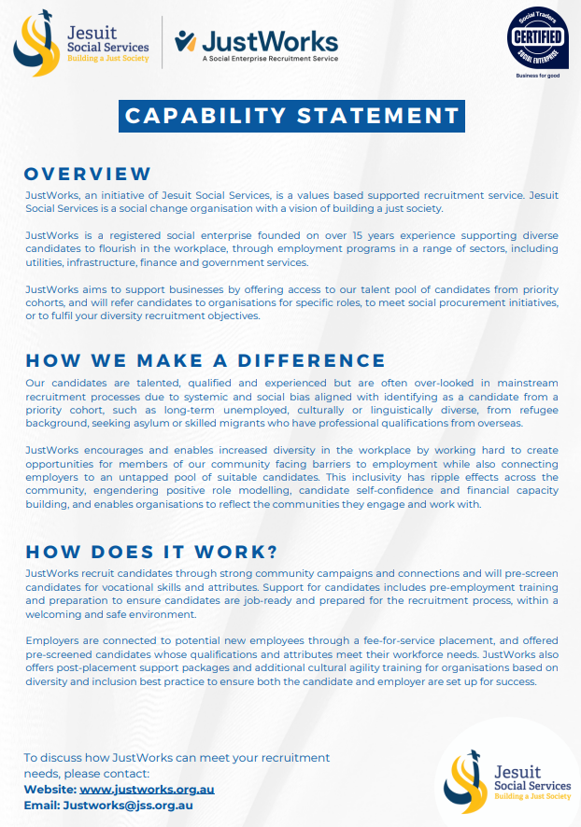
 | Jesuit Social Services | JustWorks
Service Type
Beneficiary | Disadvantaged Communities
Full Company Name [note: if not a company please insert full name of individual here] | Jesuit Social Services | JustWorks
Trading Name | JustWorks
Registered Office
Business Address | 326 Church St, Richmond VIC 3121
Mailing Address | 1 Langridge St, Collingwood VIC 3066
A.B.N. | 72 005 269 554
A.C.N.
Contact Person | Maceo Liberman
Title | Business Development Manager
Office Telephone | 03 9421 7600
Mobile Telephone | 0457 822 887
Email Address | maceo.liberman@jss.org.au
Which Council do you wish to register with | Knoxbrooke Enterprises Limited
Service All Councils | Yes
link | https://jss.org.au/programs/just-works/
What goods or services are provided by your organisation | JustWorks provides supported recruitment services, including candidate screening, pre-employment training, post-placement support, as well as workplace diversity and inclusion strategies and training.
Please provide a quick 200 word overview of your organisation and it social procurement objective. | JustWorks is an initiative by Jesuit Social Services aimed at supporting businesses in accessing a diverse, motivated, and productive workforce. Leveraging a decade-long experience in workplace diversity and inclusion, JustWorks engages with often untapped pools of potential candidates, ensuring they are well-prepared for employment both in terms of job-specific skills and alignment with the employer’s values and culture. Our supported recruitment service is tailored to the specific needs of each employer, providing comprehensive solutions from community campaigns to find motivated candidates, through to practical selection processes, pre-employment training, and post-placement support. JustWorks offers coaching and mentorship for both new employees and their supervisors to foster successful, enduring employment relationships. The social procurement objective of JustWorks is to enhance workplace diversity and inclusion, providing opportunities for marginalised and diverse candidates to flourish in meaningful employment. By partnering with employers, JustWorks not only meets recruitment needs but also builds a foundation for long-term success and reduced staff turnover. Accredited by Social Traders, JustWorks is committed to demonstrating how inclusive hiring practices can benefit both organizations and the broader community, creating strong and successful careers for all.

Leadership Victoria Ltd
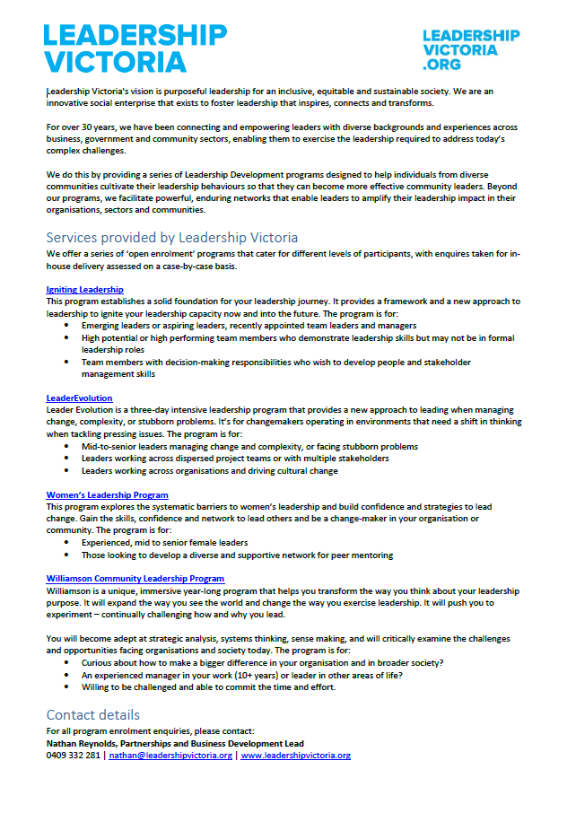
 | Leadership Victoria Ltd
Service Type | Leadership Development Programs
Beneficiary | A charitable or not for profit organisation
Full Company Name [note: if not a company please insert full name of individual here] | Leadership Victoria Ltd
Trading Name | Leadership Victoria
Registered Office | 11/456 Lonsdale St, Melbourne, Victoria, 3000
Business Address | 11/456 Lonsdale St, Melbourne, Victoria, 3000
Mailing Address | 11/456 Lonsdale St, Melbourne, Victoria, 3000
A.B.N. | 36057096465
A.C.N. | 57096465
Contact Person | Sally Hines
Title | CEO
Office Telephone | 0390709893
Mobile Telephone | 0390709893
Email Address | ceo@leadershipvictoria.org
Service All Councils | Yes
link | www.leadershipvictoria.org
What goods or services are provided by your organisation | Leadership Victoria provides a range of leadership development programs suitable for various levels of leadership, from emerging to senior. We offer open enrolment programs that are open to the broader public, as well as custom programs delivered in partnership with local councils, organisations, and communities. For example, in 2021, we delivered a bespoke leadership development program for the South Sudanese community in partnership with Wyndham City Council and South Sudanese Australian Youth United. Beyond leadership development programs, we also offer coaching and mentoring services, speaking events, and workshops.
Please provide a quick 200 word overview of your organisation and it social procurement objective. | Leadership Victoria's vision is purposeful leadership for an inclusive, equitable and sustainable society. We are an innovative, independent social enterprise that exists to foster leadership that inspires, connects and transforms. For over 30 years, we have been connecting and empowering leaders with diverse backgrounds and experiences across business, government and community sectors, enabling them to exercise the leadership required to address today’s complex challenges. Beyond our programs, we facilitate powerful, enduring networks that enable leaders to amplify their leadership impact in their organisations, sectors and communities.

Lirata Ltd
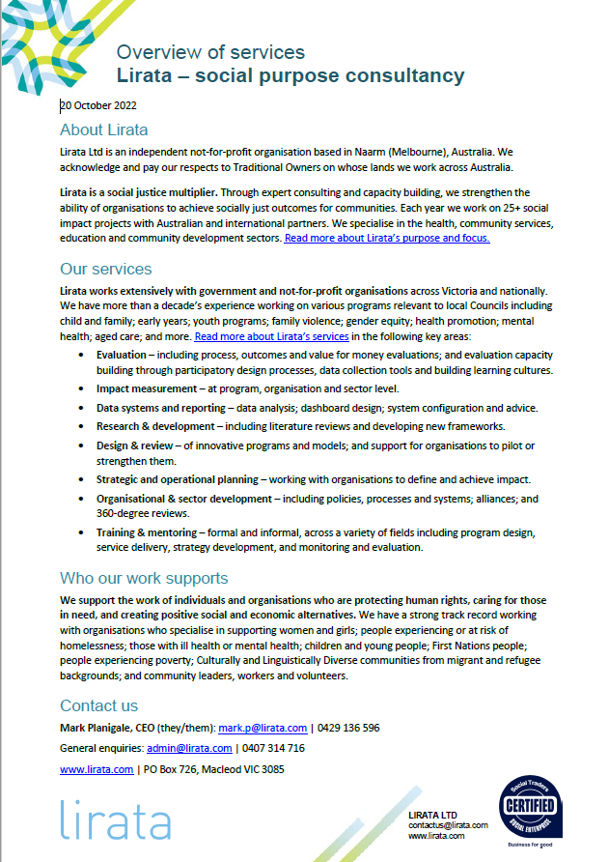
 | Lirata Ltd.
Service Type | Consultancy and Capacity Building
Beneficiary | A charitable or not for profit organisation
Full Company Name [note: if not a company please insert full name of individual here] | Lirata Ltd.
Trading Name | Lirata Consulting
Registered Office | 3 Graham Court, Macleod, VIC 3085, Australia
Business Address | PO BOX 726, Macleod, VIC 3085, Australia
Mailing Address | PO BOX 726, Macleod, VIC 3085, Australia
A.B.N. | 90 614 584 057
A.C.N. | 614 584 057
Contact Person | Mark Planigale
Title | Chief Executive Officer
Office Telephone | +61407 314 716
Mobile Telephone | 0429 136 596
Email Address | tenders@lirata.com
Service All Councils | Yes
link | https://www.lirata.com/services
What goods or services are provided by your organisation | Lirata provides expert consultancy and capacity building services in the fields of health, human services, community services, education and community development. We assist organisations, teams, programs and services to become more capable and effective in achieving positive outcomes for communities. Our key service areas are: * Evaluation - Gather the insights needed to manage programs and services, improve initiatives, make key decisions, and advocate for change. * Impact measurement - Identify key outcomes and impacts and assess how effectively they are being achieved. * Data systems and reporting - Capture the data needed to manage projects and services, and analyse the key insights using custom reports and dashboards. * Research and development - Generate knowledge that will guide the development of evidence-based pathways toward social impact. * Design & review - Design best-practice models for positive social outcomes, and review projects and organisations to increase effectiveness. * Strategic & operational planning - Define objectives, develop effective strategies to pursue them, and manage implementation to achieve results. * Organisational & sector development - Strengthen policies, systems, culture and connections to enable long-term sustainability and impact. * Training & mentoring - Build the knowledge, skills and confidence of staff to achieve positive outcomes with organisations and for the community. * 360 degree performance reviews - Develop capable leaders and managers through honest, constructive feedback on strengths and opportunities for improvement.
Please provide a quick 200 word overview of your organisation and it social procurement objective. | Lirata is an independent not-for-profit organisation based in Melbourne. Lirata works to advance social justice. We create positive change through our expert consultancy and capacity building services. Lirata was established in 2010 and we now work on 25+ social impact projects each year, with Australian and international partners. We work with all tiers of government, service providers, peak bodies, advocacy organisations, socially engaged businesses and many others, to achieve better outcomes for communities. Our work with local government includes providing training and staff development, creating strategies and plans, improving data collection and reporting, and establishing monitoring and evaluation systems. We have particular expertise in evaluating the health and wellbeing impacts of Councils’ work.

Marriott Support Services
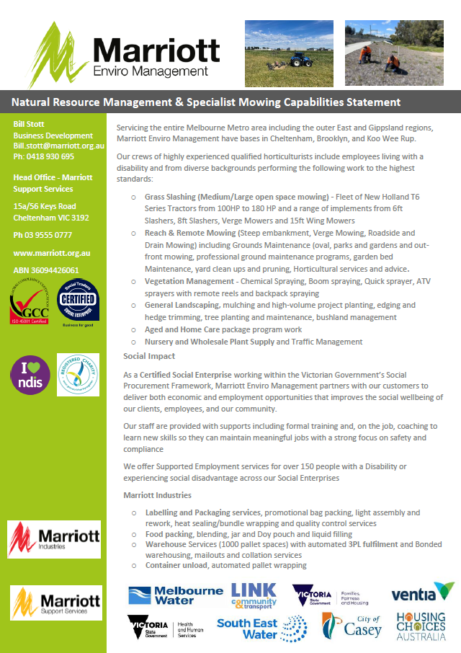
 | Marriott Support Services
Service Type | Horticultural Services
Beneficiary | People with disabilities
Full Company Name [note: if not a company please insert full name of individual here] | Marriott Support Services
Trading Name | Marriott Enviro Management, Marriott Industries and Marriott Freshstart
Registered Office | 15a/56 Keys Road Cheltenham VIC 3192
Business Address | 15a/56 Keys Road Cheltenham VIC 3192
Mailing Address | 15a/56 Keys Road Cheltenham VIC 3192
A.B.N. | 36 094 426 061
A.C.N. | 0
Contact Person | Bill Stott
Title | Business Development Manager
Office Telephone | 03 99471102
Mobile Telephone | 0418 930 695
Email Address | bill.stott@marriott.org.au
Service All Councils | Yes
link | www.marriott.org.au
What goods or services are provided by your organisation | Marriott Enviro Management - Provides Horticultural, grounds and land care maintenance (mowing, slashing and weeding)for both residential and commericial organistions. Marriott Industries provides packaging, warehousing and 3PL solutions. Marriott Freshstart provides commercial cleaning services
Please provide a quick 200 word overview of your organisation and it social procurement objective. | Marriott Support Services – via our three Social Enterprises – Marriott Enviro Management, Industries and Freshstart is a certified social enterprise that has been servicing the greater Melbourne region for 50 years. Marriott Enviro Management - Provides Horticultural, grounds and land care maintenance (mowing, slashing and weeding) for both residential and commercial organisations Marriott Industries provides packaging, warehousing and 3PL Services including light assembly and food packaging - Marriott Industries employees 75 people with disabilities in our Cheltenham production and warehouse facility. Marriott Freshstart employs people with disabilities to provide commercial cleaning services Our Social Enterprises are registered with Social Traders. We provide a social procurement solution for organisations such as local Governments to meet their obligations under Victoria’s social procurement framework providing social values and sustainable outcomes. Current contracts and future tender opportunities have enabled our organisation to provide meaningful employment for people with disabilities, other people from disadvantaged background and general staff who supervise, mentor and guide and delivery of our commercial contracts that meet our customer needs.

Maxima Training Group (Aust) Lt
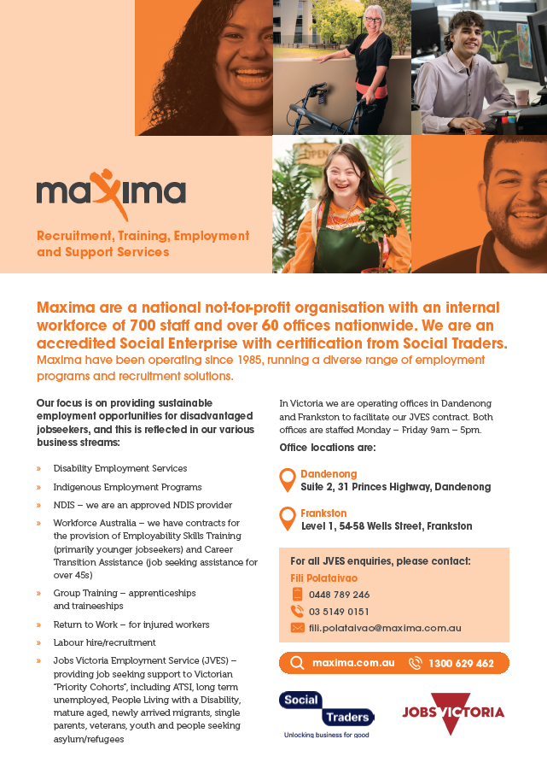
 | Maxima Training Group (Aust) Ltd
Service Type | Employment Solutions
Beneficiary | People with disabilities
Full Company Name [note: if not a company please insert full name of individual here] | Maxima Training Group (Aust) Ltd
Trading Name | Maxima
Registered Office | 180 Port Road, Hindmarsh, SA, 5007
Business Address | Suite 2, 31 Princes Highway, Danenong, VIC, 3175
Mailing Address | PO Box 164, Brooklyn Park, SA, 5032
A.B.N. | 90212392953
A.C.N. | 625899550
Contact Person | Jason Vice/ Maggie Muliaga
Title | Stakeholder Relations & Growth Advisor
Office Telephone | (08)8340 7766/1300 629 462
Mobile Telephone | 0413 755 727/0428 318 756
Email Address | Maggie.Muliaga@maxima.com.au / jason.vice@maxima.com.au
Service All Councils | No
link | For a detailed breakdown on our range of services please visit our website: www.maxima.com.au
What goods or services are provided by your organisation | In this region we are an approved JVES (Jobs Victoria Employment Service) provider, providing employment guidance and support to Victorian priority cohort jobseekers. We partner with employers to provide innovate employment solutions to assist them with their recruitment and diversity requirements. Our service includes post placement support to ensure success.
Please provide a quick 200 word overview of your organisation and it social procurement objective. | Maxima was formed in 1985 by the Local Government Association of South Australia and has a long history of providing recruitment solutions to employers. Importantly, Maxima's core function is to provide employment pathways to disadvantaged jobseekers. This is reflected in our various divisions, that provide advocacy, guidance, training and support to disadvantaged jobseekers.

Mosaik Experiences
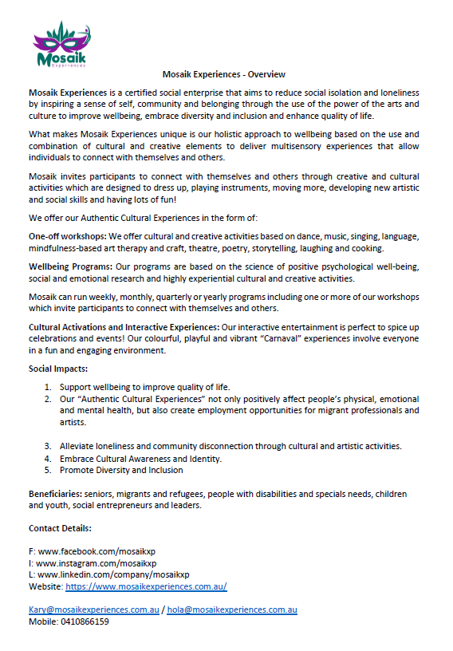
 | Mosaik Experiences
Service Type
Beneficiary
Full Company Name [note: if not a company please insert full name of individual here] | Mosaik Experiences
Trading Name | Mosaik Experiences
Registered Office | 3 Minona Street, Fawkner
Business Address | 3 Minona Street, Fawkner
Mailing Address | 4 Minona Street, Fawkner
A.B.N. | 77864697581
A.C.N. | N/A
Contact Person | Karina Rosa Ojeda Rodriguez
Title | CEO (Chief Empathy Officer)
Office Telephone | 410866159
Mobile Telephone | 410866159
Email Address | kary@mosaikexperiences.com.au
Service All Councils | yes
link | https://www.mosaikexperiences.com.au/
What goods or services are provided by your organisation | Workshops: We offer cultural and creative activities based on dance, music, singing, language, mindfulness-based art and craft, theatre, poetry, storytelling, laughing, and cooking. Wellbeing Programs: Our programs are based on the science of positive psychological well-being, social and emotional research and highly experiential cultural and creative activities. Mosaik can run weekly, monthly, quarterly or yearly programs including one or more of our workshops which invite participants to connect with themselves and others. Interactive Entertainment & Cultural Experiences: Our interactive entertainment is perfect to spice up celebrations and events! Our colourful, playful and vibrant “Carnaval” experiences involve everyone in a fun and engaging environment. We offer energisers, cultural engagements, flash mob, carnival crazy hour.
Please provide a quick 200 word overview of your organisation and it social procurement objective. | Mosaik Experiences is a certified social enterprise that aims to reduce social isolation and loneliness by inspiring a sense of self, community and belonging through the use of the power of the arts and culture to improve wellbeing, embrace diversity and inclusion and enhance quality of life. What makes Mosaik Experiences unique is our holistic approach to wellbeing based on the use and combination of cultural and creative elements to deliver multisensory experiences that allow individuals to connect with themselves and others. Social Procurement Objectives: Our social enterprise strives to foster community belonging and to improve wellbeing by partnering and engaging with diverse sectors such as government, health organisations, community organisations, corporates, businesses by integrating varied artistic disciplines and expressions. This promotes active engagement, cross-cultural understanding, better health and diminishes social isolation. Additionally, our social enterprise actively reaches special groups like seniors, children, migrants, and individuals with disabilities and health problems using tailored strategies to ensure inclusive access to our wellbeing program and creative and cultural activities. This focus on inclusion empowers those facing isolation, offering meaningful engagement and building a supportive network that combats loneliness. Data-Driven Impact Evaluation: Mosaik is committed to measuring the effectiveness of its wellbeing program and cultural experiences in reducing social isolation and loneliness. By analyzing data, our social enterprise aims to continuously refine its programs, make informed decisions, and demonstrate tangible social impact to stakeholders. This objective underscores the enterprise's dedication to evidence-based practices and its responsibility to create meaningful change in combating social isolation and promoting overall community wellbeing.

Nadrasca
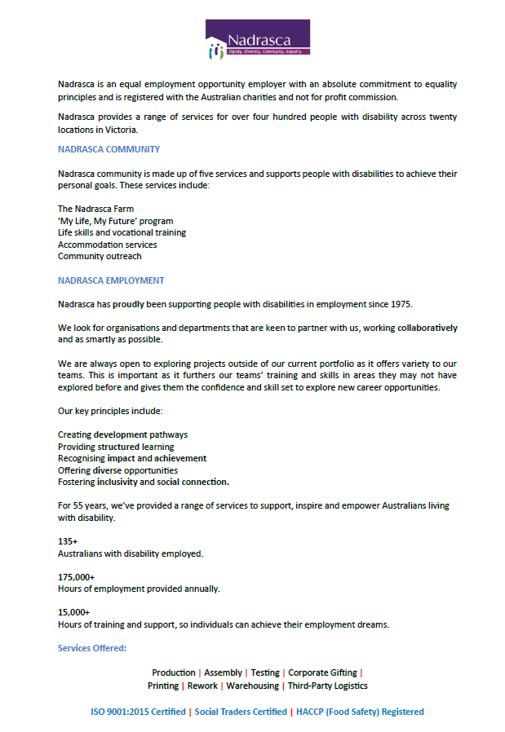
 | Nadrasca LTD
Service Type | Various - see below
Beneficiary | People with disabilities
Full Company Name [note: if not a company please insert full name of individual here] | Nadrasca Ltd
Trading Name | Nadrasca Ltd
Registered Office | 52-62 Rooks Rd Nunawading VIC 3131
Business Address | 52.62 Rooks Rd Nunawading VIC 3131
Mailing Address | 52.62 Rooks Rd Nunawading VIC 3131
A.B.N. | 90 125 235 047
A.C.N. | 125 235 047
Contact Person | Nirmal Dev
Title | Business Development Manager
Office Telephone | 03 9873 1111
Mobile Telephone | 424253336
Email Address | nirmal.dev@nadrasca.com.au
Service All Councils | Yes
link | www.nadrasca.com.au
What goods or services are provided by your organisation | Nadrasca is an equal opportunity employer with an absolute commitment to equality principles and is registered with the Australian charities and not for profit commission. As a registered NDIS provider & a social enterprise, we employ over 100 people with a disability, involved in the following areas to assist Small, Medium & Large businesses and Government Projects: Nadrasca - Production Nadrasca - Assembly Nadrasca - Testing Nadrasca - Corporate Gifting Nadrasca - Printing & Distribution Nadrasca - Rework Nadrasca - Warehousing Nadrasca – Third Party Logistics (3PL)
Please provide a quick 200 word overview of your organisation and it social procurement objective. | For 55 years, Nadrasca has provided a range of services to support, inspire and empower Australians living with disability. Nadrasca Employment exists to provide meaningful work in an enabling environment that supports people to reach their potential. Structured learning Development pathways Diverse opportunities Recognition of achievement

OC Connections Limted
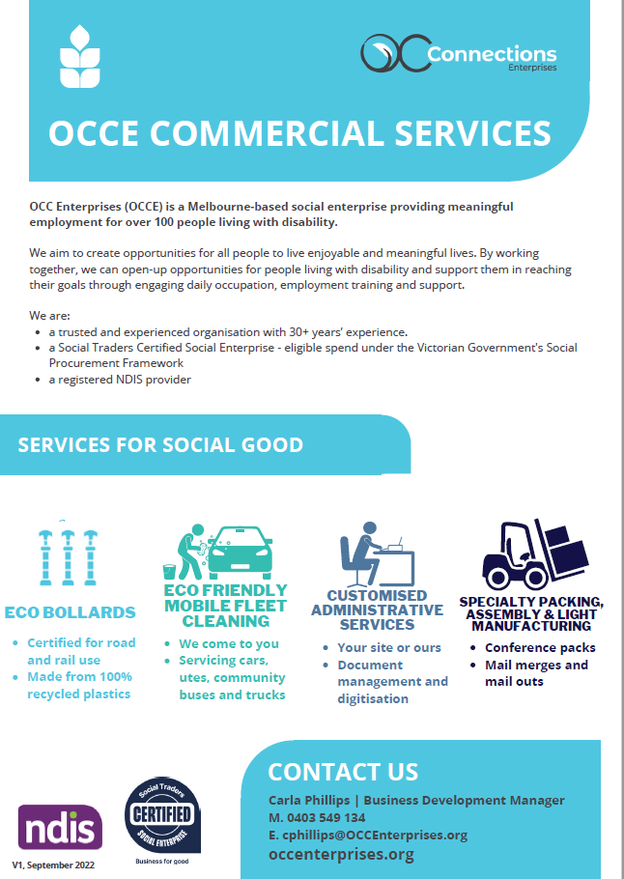
 | OC Connections Limted
Service Type | Administration Services
Beneficiary | People with disabilities
Full Company Name [note: if not a company please insert full name of individual here] | OC Connections Limted
Trading Name | OCC Enterprises
Registered Office | 773 Warrigal Road Oakleigh VIC 3166
Business Address | 1088 Centre Road South Oakleigh VIC 3167
Mailing Address | 773 Warrigal Road Oakleigh VIC 3166
A.B.N. | 91 480 733 899
A.C.N. | 0
Contact Person | Steve Betinsky/Carla Phillips
Title | General Manager Employment & Enterprises/BDM
Office Telephone | (03) 9575 4200
Mobile Telephone | 429128265/0403549134
Email Address | sbetinsky@occenterprises.org cphillips@OCCEnterprises.org
Service All Councils | Yes
link | https://occonnections.org/
What goods or services are provided by your organisation | - Administration Services including document digitisation, mail outs, data entry. - Onsite full service fleet cleaning seervices for small medium and large vehicles, - Packing and Specialised Packaging Services
Please provide a quick 200 word overview of your organisation and it social procurement objective. | OCC Enterprises (OCCE) is the employment division of OC Connections Limited, a disability service provider which currently provides sustainable and meaningful employment to 107 people living with disability. OCC Enterprises’ mission is for people living with disability to have choice and control in pursuing their career goals. OCCE aims to achieve this by providing access to more and more diverse employment opportunities, including the settings in which work occurs. We do this through providing supported employment in our social enteprises which provide products and services to our commercial customers which include all levels of government and the private sector.

Outlook ( Aust) Limited
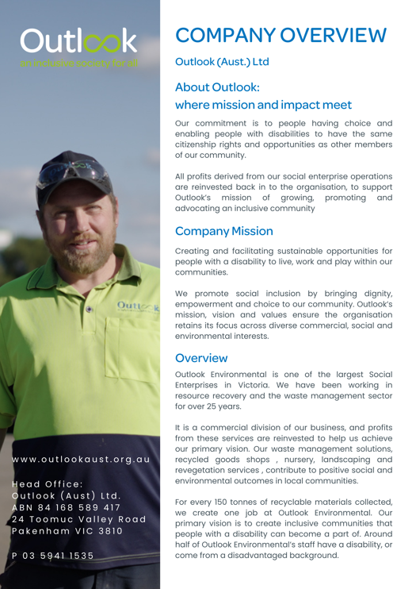
 | Outlook ( Aust) Limited
Service Type | Waste Management Solutions
Beneficiary | People with disabilities
Full Company Name [note: if not a company please insert full name of individual here] | Outlook ( Aust) Limited
Trading Name | As above
Registered Office | 24 Toomuc Valley Road , Pakenham Victoria 3810
Business Address | 24 Toomuc Valley Road , Pakenham Victoria 3810
Mailing Address | As above
A.B.N. | 84 168 589 417
A.C.N. | 628 283 536
Contact Person | Greg Petrie
Title | Manager Environmental Services Victoria
Office Telephone | 03 59 41 1535
Mobile Telephone | 0447 022 557
Email Address | gregp@outlookaust.org.au
Service All Councils | Yes
link | https://www.outlookaust.org.au/
What goods or services are provided by your organisation | Specialising in providing resources for Local Government and community across a broad range of sectors, we are proudly the largest Waste Management Social Enterprise in Victoria and one of the largest in Australia, having recently expanded our operations into Queensland. We aim to support local government, Industry and communities with leading resource recovery and waste diversion outcomes, while providing opportunities for people from diverse backgrounds to live, work and play within the communities that surround them. Our resource recovery centres offer a range of waste management solutions, including transfer stations, waste recycling facilities, e-waste drop-off or recycling, and resource recovery while our Collections business services Domestic, Commercial and Industrial customers across Victoria
Please provide a quick 200 word overview of your organisation and it social procurement objective. | At Outlook our focus is not only on waste operations. Outlook’s commitment to diverse hiring practices drives us to hire people from a wide range of priority areas with disability, refugees, asylum seekers, long-term unemployed, disadvantaged youth, women, mature workers, and people who may otherwise face barriers to employment – all in the pursuit of creating an Inclusive society for all, our leading Vision at Outlook. Outlook has a proven track record of building inclusive communities and supporting the economies in which we operate. This is delivered through not only its Social Enterprise activities but also its Community Services Division which provides a wide range of Disability Services, Employment Services and Community Centre programs for its growing customer base and communities in which we live and participate.

Recruitflex
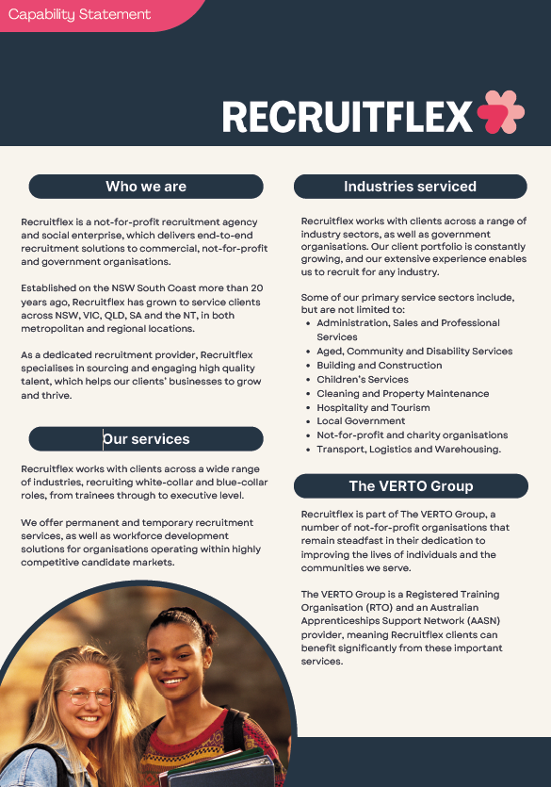
 | Recruitflex
Service Type | Employment, Training and HR Services
Beneficiary | Disadvantaged Communities
Full Company Name [note: if not a company please insert full name of individual here] | Campbell Page Pty Ltd t/as Recruitflex
Trading Name | Recruitflex
Registered Office | Batemans Bay, NSW
Business Address | Multiple sites - NSW, VIC, QLD & SA (see website)
Mailing Address | 1 Museum Place, Batemans Bay NSW 2536
A.B.N. | 49341812398
A.C.N.
Contact Person | Julie Apoyan
Title | General Manager
Office Telephone | 1300 750 820
Mobile Telephone | 0459 365 521
Email Address | julie.apoyan@recruitflex.com.au
Which Council do you wish to register with
Service All Councils | Yes
link | https://recruitflex.com.au/
What goods or services are provided by your organisation | Recruitflex is a not-for-profit recruitment agency and social enterprise, which delivers end-to-end recruitment solutions to commercial, not-for-profit and government organisations. Recruitflex works with clients across a wide range of industries, recruiting white collar and blue collar roles, from trainees through to executive level. We offer permanent and temporary (client-payrolled) recruitment services, as well as workforce development solutions for organisations operating within highly competitive candidate markets, or those who are looking to employ apprentices/trainees. Our holistic service offering incorporates: § Strategic candidate sourcing and engagement § Candidate screening and shortlisting § Behavioural interviewing § Reference and background checks § Best-in-market candidate selection and referral § Post-placement candidate engagement § Bespoke workforce development solutions § Advice on talent acquisition strategy § Relevant insights into employment and candidate markets § Coordination of certified training & upskilling § Apprenticeships and traineeships support
Please provide a quick 200 word overview of your organisation and it social procurement objective. | Recruitflex is a division of Campbell Page, a long-established, not-for-profit community services organisation. Campbell Page aims to prepare people for work, engage local communities, and create, capture, and connect people to jobs. At Recruitflex, we focus on helping people, businesses, and industries thrive. As a not-for-profit recruitment agency and Social Traders certified social enterprise, Recruitflex supports people in finding and obtaining employment while assisting businesses in developing and growing. We work with many not-for-profit and community-focused client organisations to recruit quality talent and enhance their success and social impact. Some of the programs our profits support include: • Providing employment support to those experiencing long periods of unemployment, those with temporary or permanent illness, injury, or disability, or those needing extra help finding a job. • Localised and tailored First Nations support services, including youth and family services, homelessness support, leadership and career planning, well-being education, and assistance for parents and the community. • EcoCrews is a certified social enterprise that provides local training and employment opportunities for young people through environmental regeneration and bushfire recovery work. • Extensive pre-employment support and training to help ensure optimal recruitment, retention, and inclusion success for all candidates.

Resilient Ready
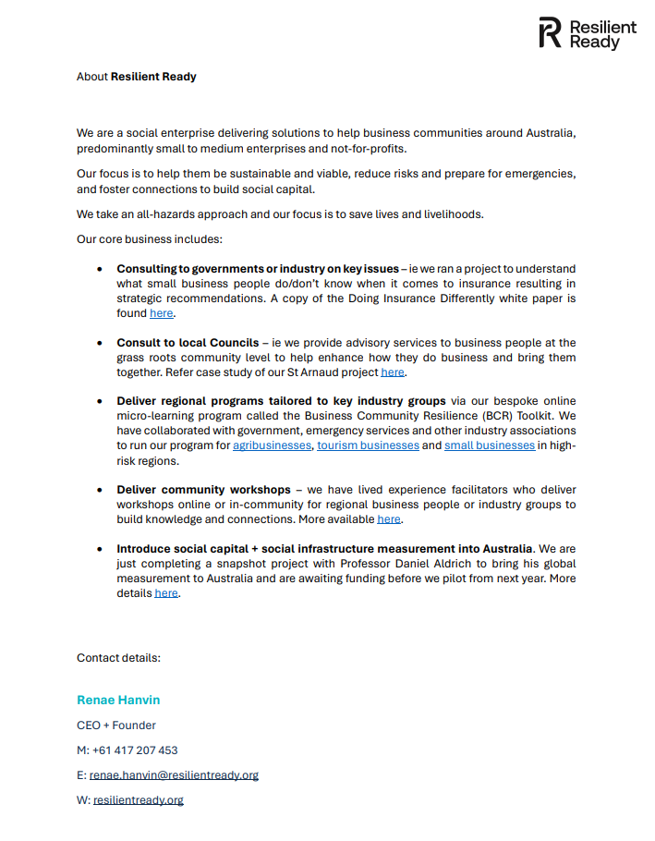
 | Resilient Ready
Service Type | Employment, Training and HR Services
Beneficiary | Disadvantaged Communities
Full Company Name [note: if not a company please insert full name of individual here] | Trustee of BlueWren Communications Trust
Trading Name | Resilient Ready
Registered Office | 28a/300 Point Cook Road, Point Cook VIC 3030
Business Address | 104 Guildford Road, Surrey Hills VIC 3127
Mailing Address | PO Box 182, Surrey Hills VIC 3127
A.B.N. | 0417 207 453
A.C.N. | 0417 207 453
Contact Person | Renae Hanvin/Bekah Baynard-Smith
Title | CEO/Program Coordinator
Office Telephone | 0417 207 453/0402 932 027
Mobile Telephone | 0417 207 453/0402 932 027
Email Address | renae.hanvin@resilientready.org bekah.baynardsmith@resilientready.org
Which Council do you wish to register with
Service All Councils | Yes
link | https://resilientready.org/
What goods or services are provided by your organisation | We provide solutions to build business sustainability, disaster preparedness and recovery and community connection outcomes to benefit Councils and communities in the before, during and after stages of all types of disruptions. Our specific solutions include: - Business Community Resilience (BCR) Toolkit - Business Community Advisory Services - Lived Experience Workshops - Social Capital and Social Infrastructure advisory - Consulting including Leadership training, Reset audits, Disaster Giving advisory, Keynote speaking and Reputation Management.
Please provide a quick 200 word overview of your organisation and it social procurement objective. | Resilient Ready is a social enterprise driving a new ecosystem in business and community risk reduction and resilience. We are a global collective of experts building everyday capabilities to save lives and livelihoods, strengthen community networks and global wellbeing. Our vision is to save lives and livelihoods by ensuring every business and not-for-profit thrives before, during and after disasters. Our mission is to provide businesses including not-for-profits with innovative and sustainable solutions that build connectivity, disaster preparedness, adaptive capacity, and resilience. Our goals are to be a trusted global partner, leave no operating entity behind, collaborate not duplicate and pioneer new measurement. Our values are integrity, collaboration, innovation, simplicity and continuous learning. We know disasters are increasing. Let us help your organisation and community adapt to thrive through future disruptions.

Sheforce
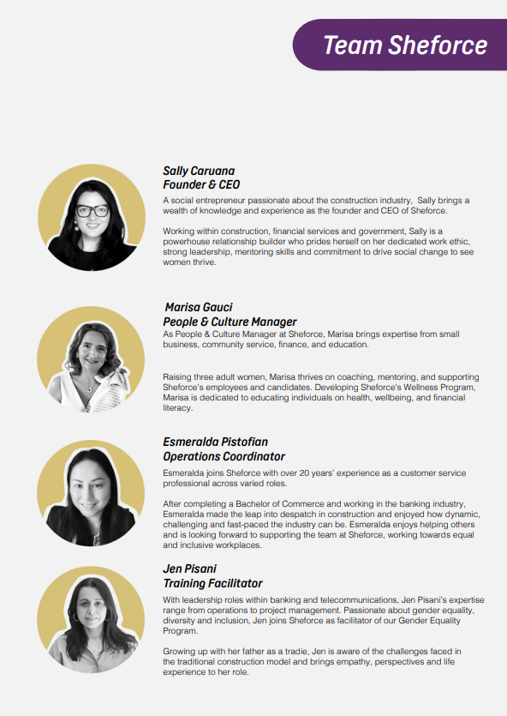
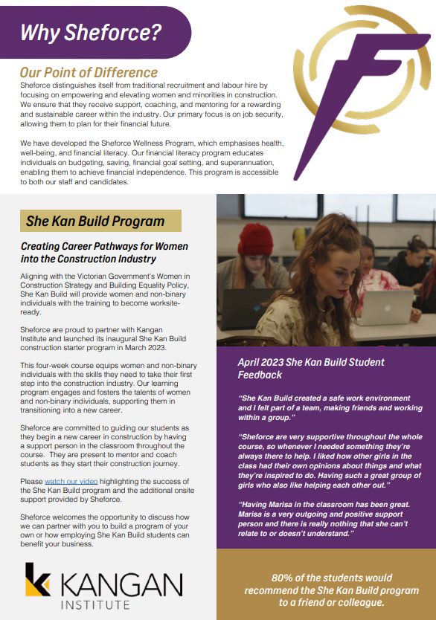
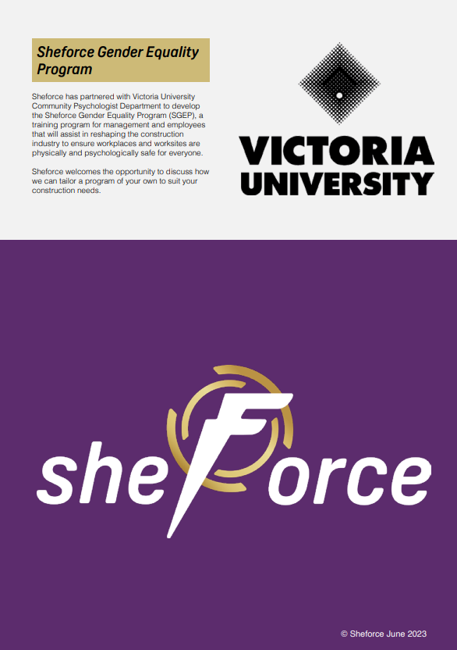
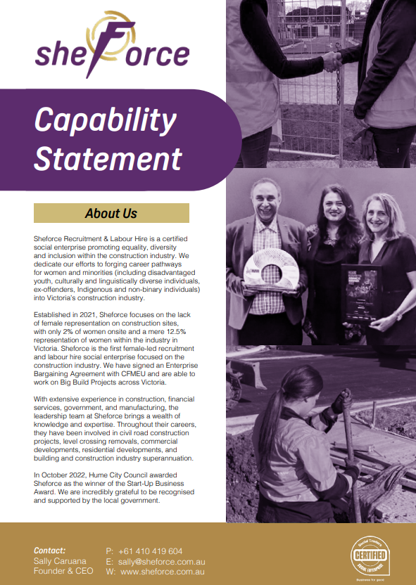
 | Sheforce
Service Type | Recruitment , Labour Hire and apprentic and Trainee Services
Beneficiary | Disadvantaged Communities
Full Company Name [note: if not a company please insert full name of individual here] | SHEFORCE RECRUITMENT PTY LTD
Trading Name | SHEFORCE RECRUITMENT PTY LTD
Registered Office | LEVEL 3, 6 HARTINGTON STREET, GLENROY 3046
Business Address | AS ABOVE
Mailing Address | AS ABOVE
A.B.N. | 67 656 857 082
A.C.N. | 656 857 082
Contact Person | SALLY CARUANA
Title | CEO
Office Telephone | 1800 743 347
Mobile Telephone | 0410 419 604
Email Address | SALLY@SHEFORCE.COM.AU
Which Council do you wish to register with
Service All Councils | Yes
link | https://www.sheforce.com.au/
What goods or services are provided by your organisation | RECRUITMENT SERVICES, LABOUR HIRE SERVICES, APPRENTICE AND TRAINEE SERVICES
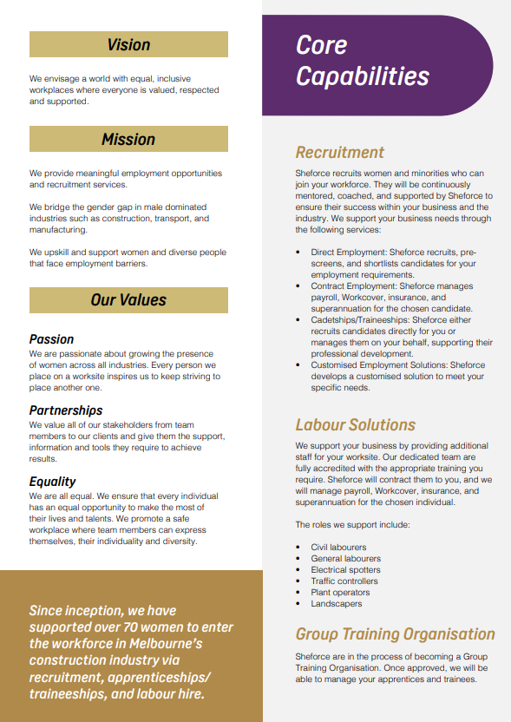
Please provide a quick 200 word overview of your organisation and it social procurement objective. | Sheforce Recruitment & Labour Hire is a certified social enterprise promoting equality, diversity and inclusion within the building and construction industry. We dedicate our efforts to forging career pathways for women and minorities (including disadvantaged youth, culturally and linguistically diverse individuals, ex-offenders, Indigenous and non-binary individuals) into Victoria’s construction and infrastructure sector. Established in 2021, Sheforce focuses on the lack of female representation within construction, with only 2% of women onsite and a mere 12.5% representation of women within the industry in Victoria. Sheforce is the first female-led recruitment and labour hire social enterprise focused on the construction industry. With extensive experience in construction, financial services, government, and manufacturing, the leadership team at Sheforce brings a wealth of knowledge and expertise. Throughout their careers, they have been involved in civil road construction projects, level crossing removals, commercial developments, residential developments, and building and construction industry superannuation. In October 2022, Hume City Council awarded Sheforce as the winner of the Start-Up Business Award. We are incredibly grateful to be recognised and supported by the local government. Sheforce distinguishes itself from traditional recruitment and labour hire by focusing on empowering and elevating women and minorities in construction. We ensure that they receive support, coaching, and mentoring for a rewarding and sustainable career within the industry. Our primary focus is on job security, allowing them to plan for their financial future. We have developed the Sheforce Wellness Program, which emphasises health, well-being, and financial literacy. Our financial literacy program educates individuals on budgeting, saving, financial goal setting, and superannuation, enabling them to achieve financial independence.

Shining Knight
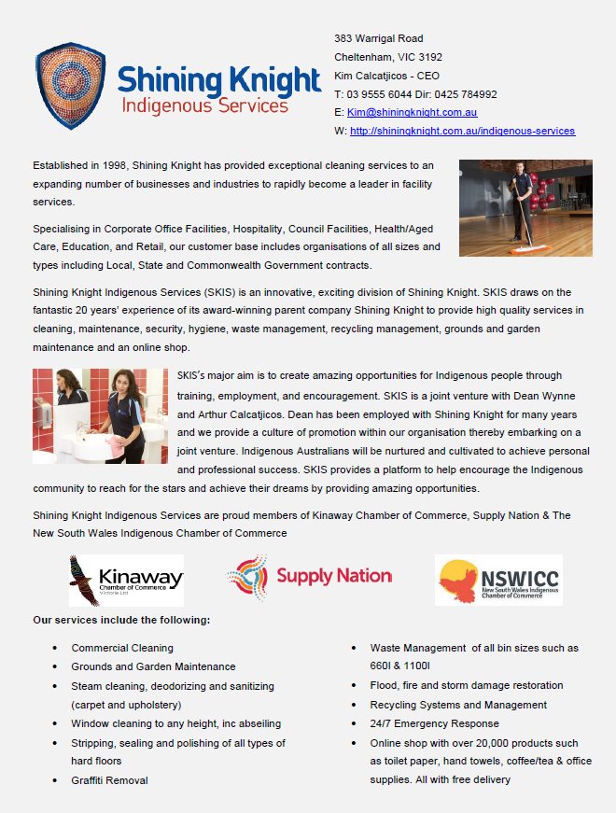
 | Shining Knight Indigeous Services Pty Ltd
Service Type | Cleaning Services and Supplies
Beneficiary | Indigenous
Full Company Name [note: if not a company please insert full name of individual here] | Shining Knight Indigeous Services Pty Ltd
Trading Name | Shining Knight Indigeous Services Pty Ltd
Registered Office | 383 Warrigal Rd Cheltenham, 3192
Business Address | 383 Warrigal Rd Cheltenham, 3192
Mailing Address | 383 Warrigal Rd Cheltenham, 3192
A.B.N. | 88 609 494 019
A.C.N.
Contact Person | Kim Calcatjicos
Title | CEO
Office Telephone | 03 9555 6044
Mobile Telephone | 0425 784 992
Email Address | kim@shiningknight.com.au
Service All Councils | Yes
link | https://shiningknight.com.au/indigenous-services
What goods or services are provided by your organisation | Commercial Cleaning Services, Supply of all consumables such as toilet paper, hand towel. Waste management services all bin types and sizes
Please provide a quick 200 word overview of your organisation and it social procurement objective. | Shining Knight Indigeous Services Pty Ltd is a certified Supply Nation indigenous business and are main focus is indigenous engagement, mentorship and employment of indigenous personnel. We provide amazing opportunities for indigenous employees. One of our many initiatives is that we donate money to the NSW Indigenous Chamber of Commerce which assists in providing support and growth opportunities to other indigenous businesses

SP Worx
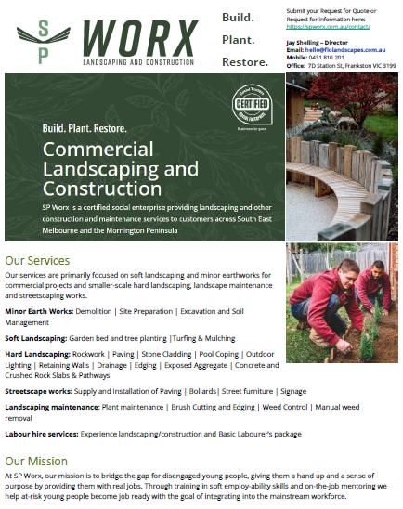
 | SP Worx
Service Type | Landscaping
Beneficiary | Other disadvantaged people
Full Company Name [note: if not a company please insert full name of individual here] | Full legal entity name: J & R Shelling Pty Ltd
Trading Name | SP Worx
Registered Office | 7D Station St, Frankston VIC 3199
Business Address | Registered business address (must be a street address) 67 Raphael Cres Frankston VIC 3199
Mailing Address | 7D Station St, Frankston VIC 3199
A.B.N. | 44344931378
A.C.N. | 650 163 876
Contact Person | Jahleel Shelling
Title | Director
Office Telephone | 0431810201
Mobile Telephone | 0431810201
Email Address | jay@streetpeace.com.au
Service All Councils | Yes
link | https://spworx.com.au/
What goods or services are provided by your organisation | Minor Earth Works Demolition | Site Preparation | Excavation and Soil Management Soft Landscaping Garden bed and tree planting |Turfing & Mulching Hard Landscaping Rockwork | Paving | Stone Cladding | Retaining Walls | Edging | Exposed Aggregate | Concrete and Crushed Rock Slabs, Pathways and Driveways Streetscape works Supply and Installation of Paving, Bollards, Street furniture and Signage. Landscaping maintenance Plant maintenance | Brush Cutting and Edging | Weed Control | Manual weed removal Labour hire services: Experience landscaping/construction and Basic Labourer’s package
Please provide a quick 200 word overview of your organisation and it social procurement objective. | SP Worx is a certified social enterprise providing commercial landscaping, minor civil and landscaping maintenance services to customers across South East Melbourne and the Mornington Peninsula. We are the commercial arm of Flo Landscapes, a mid-high end residential landscaping business. In partnership with our not-for-profit organisation Street Peace, SP Worx provides supported training and employment pathways to disengaged young people.

The Xfactor Collective Pty Ltd
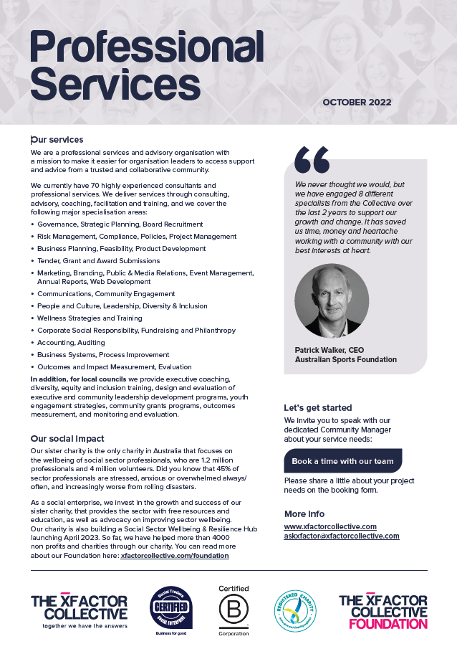
 | The Xfactor Collective Pty Ltd
Service Type | Training and Coaching
Beneficiary | Mental health
Full Company Name [note: if not a company please insert full name of individual here] | The Xfactor Collective Pty Ltd
Trading Name | The Xfactor Collective Pty Ltd
Registered Office | 552 Victoria St, North Melbourne 3051
Business Address | 552 Victoria St, North Melbourne 3051
Mailing Address | 552 Victoria St, North Melbourne 3051
A.B.N. | 79630374515
A.C.N. | 0
Contact Person | Julia Keady
Title | CEO
Office Telephone | 0412 628 036
Mobile Telephone | 0412 628 036
Email Address | julia@xfactorcollective.com
Service All Councils | Yes
link | www.xfactorcollective.com
What goods or services are provided by your organisation | Consulting, business advisory, professional services, coaching, training
Please provide a quick 200 word overview of your organisation and it social procurement objective. | The Xfactor Collective is a Certified Social Enterprise and Certified B Corporation organisation with a mission to help organisation leaders achieve their social objective and responsibilities sustainably. We have 70 highly experienced consultants and professional service providers in our Collective providing: Professional and Business Advisory Services including accountancy, auditing, compliance, business plans, feasibility, financial modeling, contracts, intellectual property, patents/trademarks, recruitment, graphic design, videography, photography, HR, IT, web development, project management, risk management, mergers and acquisitions. Consulting Services including strategic planning, community engagement, workshop facilitation, market research, focus groups, stakeholder engagement, change management, brand development, marketing and communications services, report writing/editing, data analysis, media and public relations, event management, program development and evaluation, learning and development. In addition, for Local Councils we provide executive coaching, diversity, equity and inclusion training, design and evaluation of executive and community leadership development programs, youth engagement strategies, community grants programs, outcomes measurement, and monitoring and evaluation. We work with NFPs, NGOs and charities to have the right governance, systems and strategies in place to be high functioning organisations that are able to deliver impactful services, and attract funding support from government and donors. We work with government agencies to develop and evaluate programs, and we work with businesses who seek to have a social and commercial impact. We help businesses develop and implement effective sustainability and corporate responsibility initiatives. When organisations engage services with us, they are contributing to our mission to help social sector organisations achieve their work more sustainably, including our flagship charity projec

Timberscope Pty Ltd
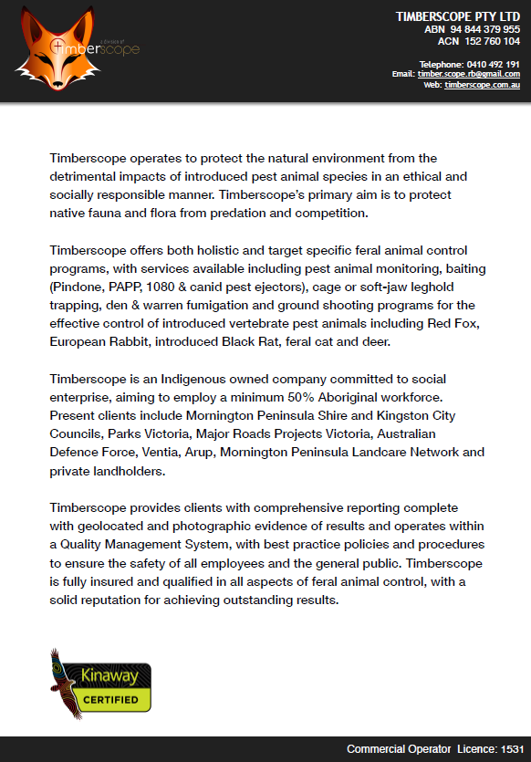
 | Timberscope Pty Ltd
Service Type | Pest and feral Management Control
Beneficiary | Indigenous
Full Company Name [note: if not a company please insert full name of individual here] | Timberscope Pty Ltd
Trading Name | Timberscope Pty Ltd
Registered Office | 255 Cape Schanck Road, Cape Schanck VIC 3939
Business Address | 256 Cape Schanck Road, Cape Schanck VIC 3939
Mailing Address | 257 Cape Schanck Road, Cape Schanck VIC 3939
A.B.N. | 94 884 379 955
A.C.N. | 152 760 104
Contact Person | Rodney Brindley
Title | Director
Office Telephone | 0410 492 191
Mobile Telephone | 0410 492 191
Email Address | timber.scope.rb@gmail.com
Which Council do you wish to register with | Timberscope Pty Ltd
Service All Councils | Yes
link | https://timberscope.com.au/pest-management/
What goods or services are provided by your organisation | Timberscope offers both holistic and target specific feral animal control programs, with services available including pest animal monitoring, baiting (Pindone, PAPP, 1080 & canid pest ejectors), cage or soft-jaw leghold trapping, den & warren fumigation and ground shooting programs for the effective control of introduced vertebrate pest animals including Red Fox, European Rabbit, introduced Black Rat, feral cat and deer. Timberscope provides clients with comprehensive reporting complete with geolocation and photographic evidence of results and operates within a Quality Management System, with best practice policies and procedures to ensure the safety of all employees and the general public. Timberscope is fully insured and qualified in all aspects of feral animal control, with a solid reputation for achieving outstanding results.
Please provide a quick 200 word overview of your organisation and it social procurement objective. | Timberscope is an Indigenous owned company committed to employing a minimum 50% Aboriginal workforce

WV Technologies
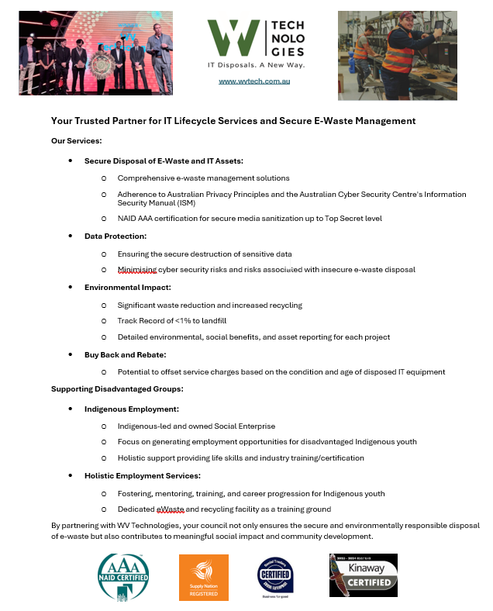
 | WV Technologies
Service Type | Secure ICT disposals and eWaste Recycling
Beneficiary | Indigenous and other Disadvantaged Communities
Full Company Name [note: if not a company please insert full name of individual here] | WV Technologies Pty. Ltd.
Trading Name | WV Technologies Pty. Ltd.
Registered Office | 33-35 Whyalla St, Fyshwick ACT 2609
Business Address | 6/79-81 Maffra St, Coolaroo, VIC 3048
Mailing Address | services@wvtech.com.au
A.B.N. | 11 168 651 189
A.C.N. | 168 651 189
Contact Person | Tony Di Fabrizio
Title | Business Development Manager
Office Telephone | 1300 989 177
Mobile Telephone | 0490 312 667
Email Address | tony.difabrizio@wvtech.com.au
Service All Councils | Yes
link | https://wvtech.com.au/
What goods or services are provided by your organisation | WV Technologies: Secure ICT disposals and eWaste Recycling WV Technologies provides a national one-stop solution for businesses looking to responsibly manage ICT assets, with a strong focus on data security. Their services encompass IT disposals and decommissioning, data sanitisation and destruction (certified to top-secret levels), IT installations, logistics and collections, asset refurbishment, and remarketing, and eWaste recycling. Our Core Service offerings include: - Secure IT Decommissioning - NAID AAA Certified Data Sanitisation - Secure Chain of Custody/Logistics - Asset Auditing, Testing & Repair - Asset Buyback and Value Recovery - Hardware Supply / Procurement - eWaste Recycling WV Technologies holds NAID AAA certification with Government endorsements to top secret for data sanitisation and destruction, as well as ISO certifications for ISO 27001, ISO 9001, ISO 14001, and ISO 45001. Additionally, certified under the AS/NZS 5377 standard for eWaste management. In addition to their certifications, what sets WV Technologies apart is they are also a registered Indigenous business and certified social enterprise. In providing their services to clients, WV Technologies actively supports Indigenous Australians by addressing social and economic disparities. They achieve this through various initiatives such as employment opportunities, vocational training, educational support, healthcare assistance, financial literacy programs, assistance with obtaining driver's licenses, life skills, coaching and mentoring. These efforts are carried out in collaboration with the Worldview Foundation, a registered Indigenous charity and shareholder of WV Technologies.
Please provide a quick 200 word overview of your organisation and it social procurement objective. | WV Technologies, through its experience and certifications, can deliver: Security and Certainty: Highest data security accreditation in Australia Value for money: Demonstrated experience, service fees and buyback pricing Social Impact/Procurement: Indigenous & Social Enterprise Sustainable Procurement: Certified environmental services and environmental benefits. WV Technologies is NAID AAA certified for all data sanitisation and destruction services, which is the only certification of its kind. Additionally, we hold Government PSPF endorsements to Top Secret level for the destruction of all media types. Our secure ICT disposal services are provided to Commonwealth & State Government Departments, Large Enterprise, and Education clients. WV Technologies is a: • Supply Nation Registered and Certified Kinaway business and a • Certified Social Enterprise Social and Indigenous Procurement Awards and Recognition • Registered Supplier of the Year 2023 Supply Nation Supplier Diversity Awards • Organisation of the Year 2023 ACT NAIDOC Awards • Social Enterprise of the Year finalist 2020, 2021 Social Traders Awards • Indigenous Sourcing Project of the Year with Telstra 2022 The Faculty Awards • Registered Supplier of the Year finalist 2022, 2021 Supply Nation Supplier Diversity Awards Our commitment to doing the right thing for the right reasons has earned us a reputation for delivering clients with 'Certainty with Purpose.'

